Issue List
Issue | Sales / Service | Object | Assigned To | Status | Date Opened | Date Fixed | Confirmed Fixed | Comments
Remove Work Order from the Create button | Service | Service Request | Ajay |  |  | 2025-09-01
Remove icons under Redwood Sales tab: Deal Registrations / MDF Budgets / MDF Requests / MDF Claims / Campaigns / Enrollments / Products | Sales | Home Screen | Ajay |  | 2025-08-21 | 2025-08-22 |  | These to be hid from Structure EL Expression
Under My Accounts the record set is defaulted to "I am on the team or territory". We do not use teams or territories. Can we default this to "I own" | Sales | Accounts | Ajay |  | 2025-08-21 | 2025-08-25 |  | These changes can be done in Manage Saved Search, inactive in all unused searches
For Account Details, all of the fields under the "Other Information" section are supposed to be read only. This information comes from Oracle EBS | Sales | Accounts | Ajay |  | 2025-08-21 | 2025-08-25 |  | These can be done in VB, there is a checkbox for Readonly option, if it is supposed to be conditionally required we can add field level conditions
On the My Accounts page for an account, remove the Team panel. Move Leads and Quotes to the end | Sales | Accounts | Ajay |  | 2025-08-21 | 2025-08-25 |  | Can be updated from Panel Container
I do not see any panel for Activities on the My Accounts page. Can we add this? | Sales | Accounts | Ajay |  | 2025-08-21 | 2025-08-25 |  | Can be updated from Panel Container Have to do Activity Configuration
On the view for list of accounts, can we add default fields for all (we had this before): Party Site Name, Account Number, Customer Type, Major Customer Group, Owner, Rollup Group. Remove Primary Industry | Sales | Accounts | Ajay |  | 2025-08-21 | 2025-08-25 |  | This can be updated from Saved Searches
Can we rename Assets to Orders? We had this renamed before | Sales | Accounts | Ajay | lavanya has to update | 2025-08-21
Remove Deal Registrations from the bottom of the page for My Accounts | Sales | Accounts | Ajay |  | 2025-08-21 | 2025-08-25 |  | Remove from Structure
When adding a new Opportunity, the Account field is not required | Sales | Opportunity | Ajay | working | 2025-08-21 | 2025-08-27 |  | Mark the field as required in JSON | eg. "OpportunityType_c": { "readonly": true }
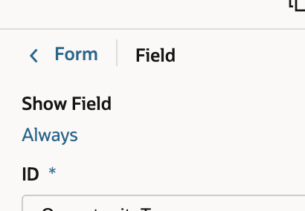
We had two fields that were only shown depending on the value of the Opportunity Type field. Now, they are showing on the main Create Opportunity page | Sales | Opportunity | Ajay |  | 2025-08-21 | 2025-08-26 |  | Other 1X Types field should only show if the Opportunity Type = "Other 1X". IOP Type field should only show if the Opportunity Type = "IOP". See Create Opportunity screen print | in the field section , Show Field , click on Always and write a condition to hide
On the My Open Opportunities page, remove the Teams, Competitors | Sales | Opportunity | Ajay |  | 2025-08-21 | 2025-08-27 |  | Panel changes
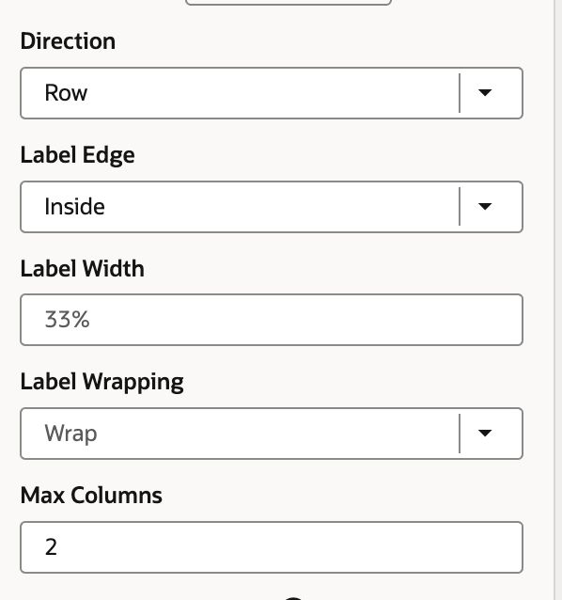
Remove the Estimated Price from Revenu | Sales | Opportunity | Ajay | need clarity on this point | 2025-08-21 |  |  | Field Change
Show additional fields on My Open Opportunities: Opportunity Type, FY Amount, Target Decision Date, Schedule, Owner, Last Updated Date | Sales | Opportunity | Ajay | fy amount is not found | 2025-08-21 | 2025-08-27 |  | Update the Saved Search

Screen Prints
Create Opportunity

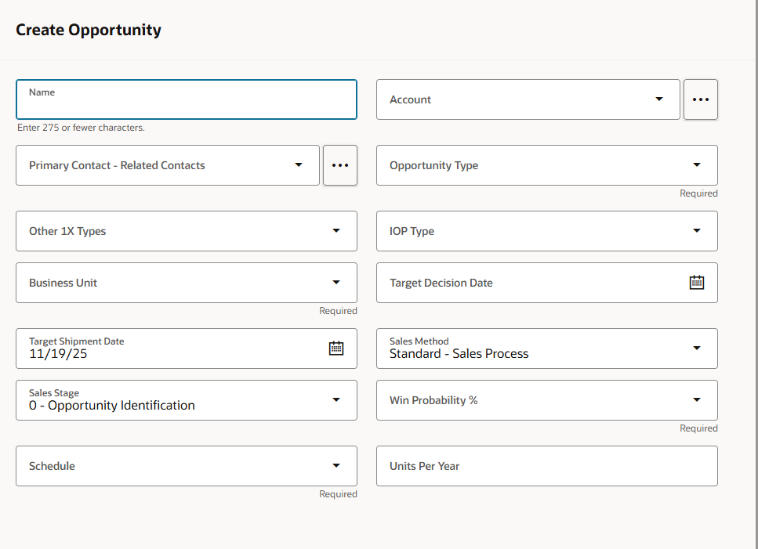

Create Appointment | Meeting Types:

Trigger Scripts
Service:

Service Request Trigger Scripts:

Message:

Sales (will need to convert manually if needed)

Account Trigger Scripts:

Opportunity Trigger Scripts:

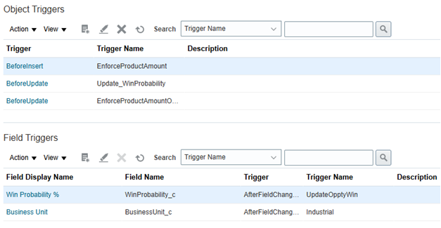

Activity Validation Rules:

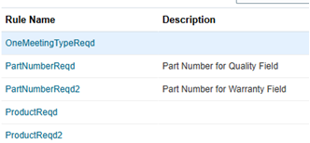

Relationship Trigger Scripts:

